Bug Reporting
NO. | BUG REPORT ID | SUMMARY | STEP TO REPRODUCE | ACTUAL RESULT | EXPECTED RESULT | SEVERITY | PRIORITY | ATTACHMENT
1 | BUG-001 | “Locked Out User” cannot log in even with valid credentials | 1. Go to https://www.saucedemo.com 2. Enter username: locked_out_user and password: secret_sauce 3. Click Login | Error message displayed: “Sorry, this user has been locked out” | System should allow all active users to log in, or display clearer message if account is locked | MAJOR | HIGH | 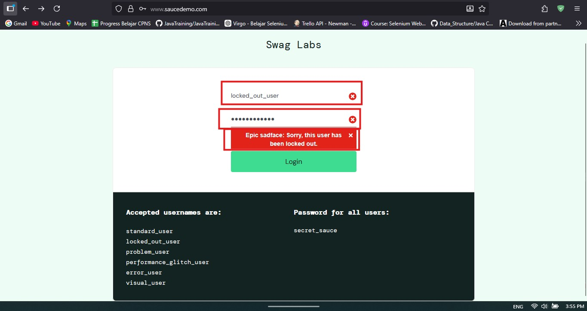
2 | BUG-002 | Login attempt during no internet connection shows generic browser error | 1. Disconnect Wi-Fi or internet 2. Try logging in with valid credentials | Browser shows “This site can’t be reached” | System should display friendly offline message like “No internet connection” | MINOR | MEDIUM | 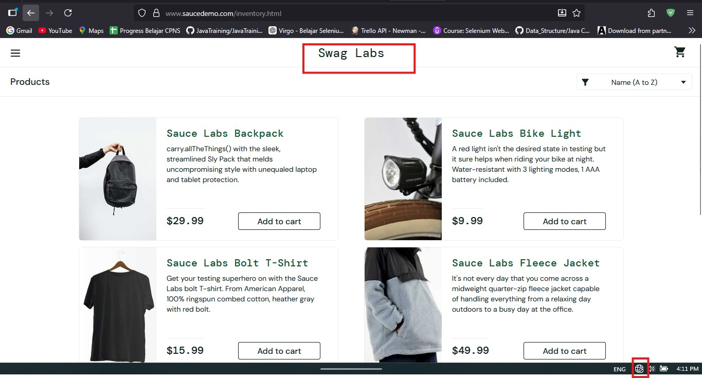
3 | BUG-003 | Product name contains code-like text Test.allTheThings() instead of readable label | 1. Login to https://www.saucedemo.com 2. Navigate to Inventory page (/inventory.html) 3. Scroll to product list section 4. Observe product name on the red t-shirt item | Product name displayed as Test.allTheThings() T-Shirt (Red) (contains parentheses and camelCase formatting) | Product name should be human-readable, e.g. “T-Shirt (Red)” | MINOR | MEDIUM | 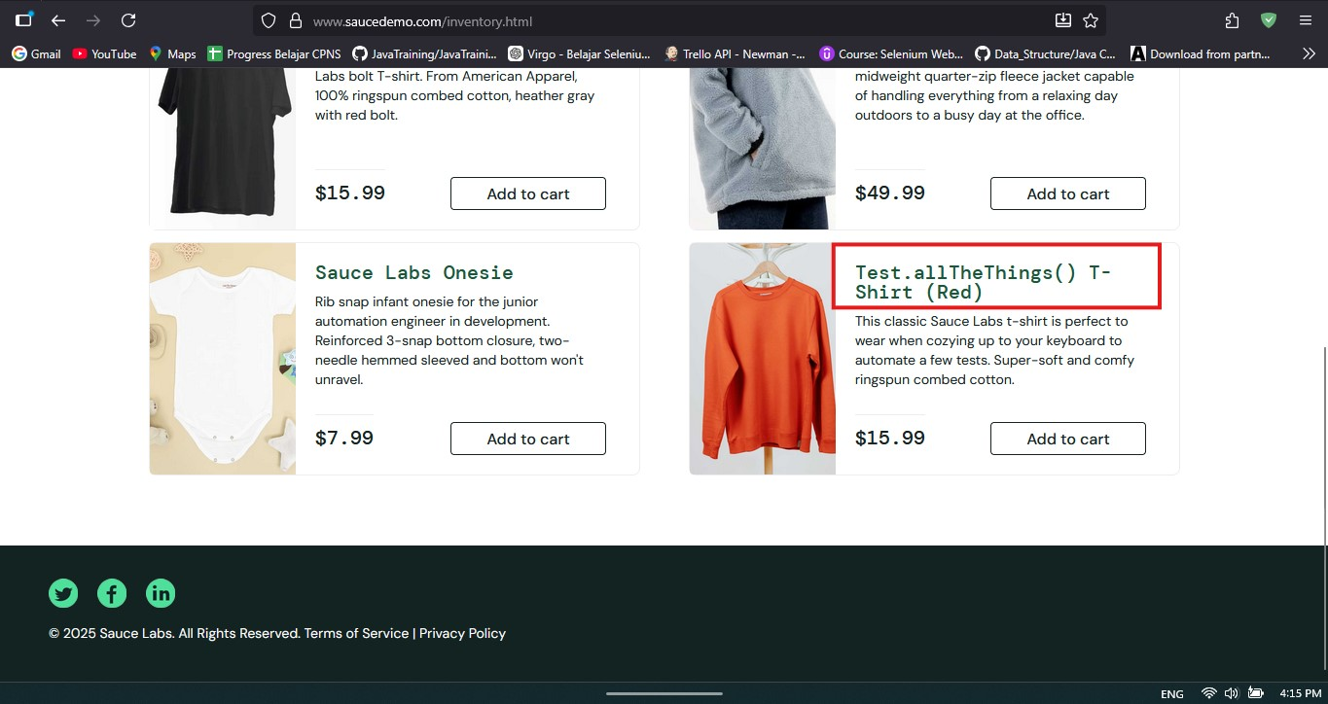

Screenshot Bug Report di Jira
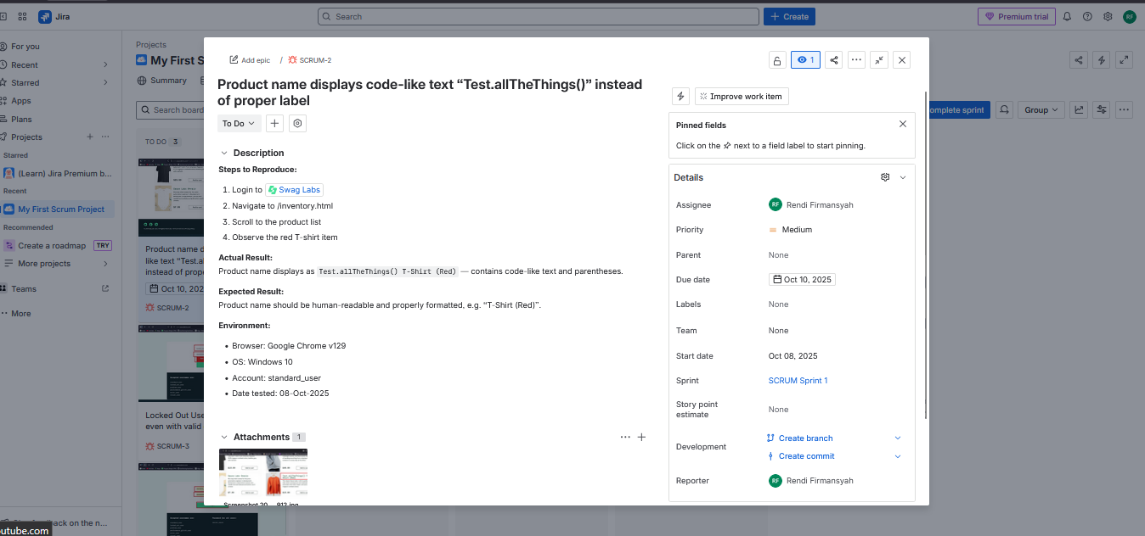
BUG-001

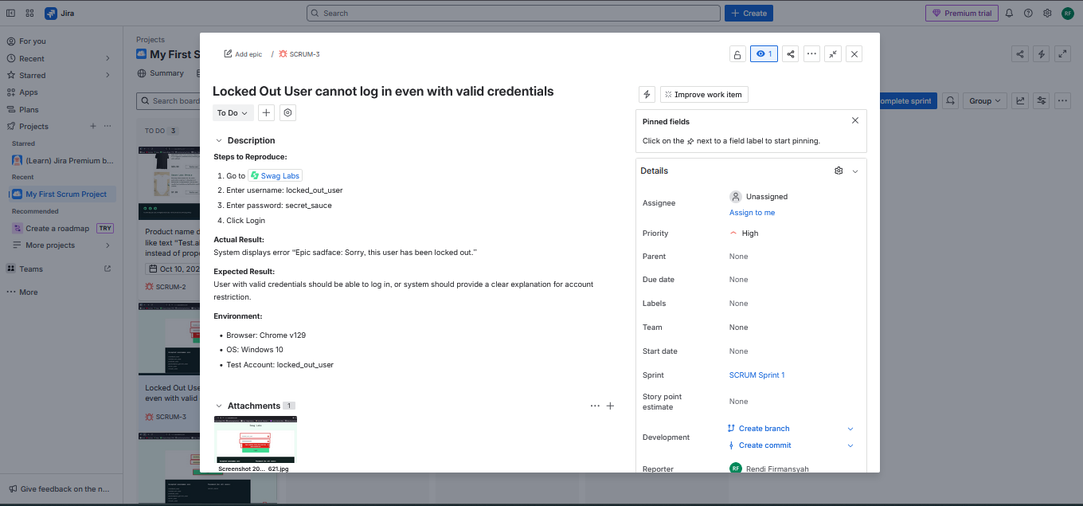
BUG-002

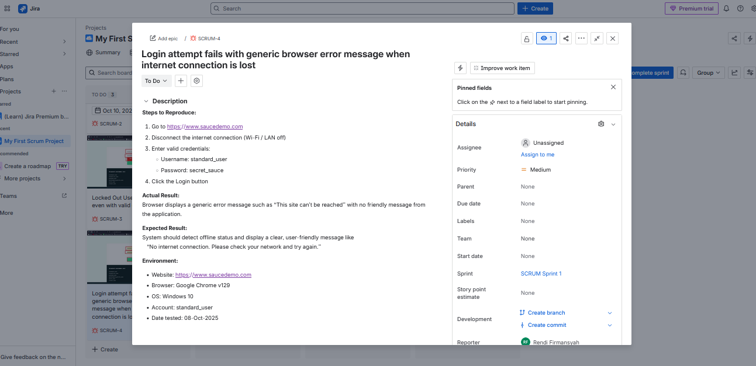
BUG-003

